Sheet3
Intensive Certified workshops on PRODUCTIVITY AND BOTTLENECK IMPROVEMENT, TOC CONCEPTS MODERNIZE YOUR ORGANIZATION AND INCREASE YOUR OUTPUT

COURSE TOPICS

INDUSTRIAL ENGENEERING | KAIZEN | SIX SIGMA | BOTTLENECK ANALYSIS | SKILL MATRIX

VENUE: CHENNAI TIMINGS: 3rd week of every month. WORKSHOP COST: Rs. 25000/- IGAIT ONSITE WORKSHOPS ARE USEFULL FOR COMPANIES , CORPORATES, EMPLOYEES CAREER GROWTH

INTRODUCTION:

With the arrival of digital technology, increased competition and rising expectations from customers and stakeholders the need for operational performance improvement has never been greater. The drive to deliver faster, cheaper and right first time is a challenge facing every organisation in the public and private sector. How do you identify and quantify operational improvements? How to you get people on board and willing to change for the better? And how to you execute a plan of action and measure the benefits? If you need the tools and skills to address these questions in a practical way to deliver lasting performance improvement then this is the programme for you.

ABOUT THE SPEAKER

Mr. Ravee Parthasaarathi, Has An Experience Of More Than 3 Decades In The Garment Industry. Igait Has Been Promoted With A View To Disseminate With Latest Production Concepts To The Garment Industry. IGAIT Is Offering Consultancy In Areas Of Prodcution Improvement And Bottleneck Improvements, Apart From Offering Proven Solutions For Target Fixing, Cost Control, Real Time Digital Data Analysis With An Aim To Help Garment Industry More Profitable. IGAIT Conducts Workshops,Seminars, And Promotes Discussion Amongst Industry Leadersa Nd Experts In Area Of Prodcution Improvement

SEMINAR OUTLINE |  | IMAGE

MORNING SESSION

CONCEPTS OF TIME STUDY
PRACTICAL TIME STUDY
ELEMENT BREAKDOWN
CHART PREPARATION
LINE BALANCING

AFTERNOON SESSION
TOC CONCEPTS
LEAN MANAGEMENT
SIX SIGMA
KAIZEN
PRACTICAL APPLICATION AND
METHODS OF PRDUCTION IMPROVEMENT | IM

For more details Rashmi, Manager - Customer Relations, Industrial Growth Analytik Info Techniqs Email: sales@igaitconsulting.com Mobile: 9445731156

Sheet1
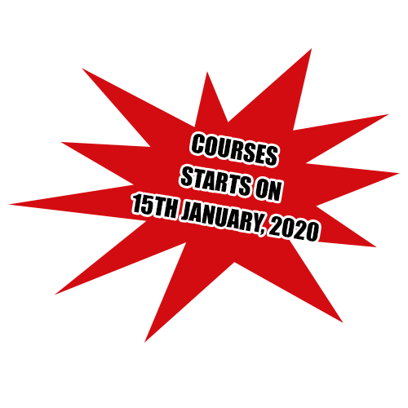

COURSES CONDUCTED ON


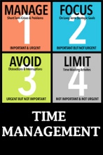
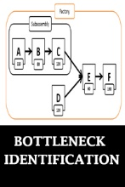
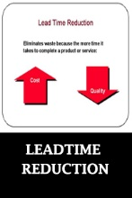

Need to develop more sir.

